1.4
Table 1.4. Index numbers and graph, June 2012 (Jun12) - December 2023 (Dec23)
 | Consumer price index of Tokelau. Base: March 2017 quarter (=100.0)

QUARTER | All goods | CPI-nocigs | CPI-nocigs & alcohol
Weight | 100% | 84% | 74%

Jun12 | 92.9 | 99.4 | 100.1
Sep12 | 93.0 | 99.1 | 99.8
Dec12 | 95.1 | 101.9 | 103.0
Mar13 | 94.5 | 101.1 | 102.2
Jun13 | 93.3 | 100.1 | 101.2
Sep13 | 94.4 | 99.0 | 100.2
Dec13 | 97.2 | 102.0 | 103.3
Mar14 | 97.3 | 102.1 | 102.8
Jun14 | 97.4 | 101.8 | 102.4
Sep14 | 99.0 | 102.4 | 103.0
Dec14 | 99.8 | 103.0 | 103.6
Mar15 | 101.9 | 105.2 | 106.0
Jun15 | 102.2 | 104.6 | 105.5
Sep15 | 103.3 | 104.8 | 105.7
Dec15 | 102.4 | 103.0 | 103.7
Mar16 | 102.1 | 102.7 | 103.1
Jun16 | 101.6 | 102.1 | 102.3
Sep16 | 100.8 | 101.0 | 101.6
Dec16 | 99.6 | 99.5 | 99.4
Mar17 | 100.0 | 100.0 | 100.0
Jun17 | 101.6 | 100.5 | 100.4
Sep17 | 107.6 | 103.2 | 104.0
Dec17 | 109.8 | 103.7 | 104.1
Mar18 | 108.8 | 102.6 | 102.7
Jun18 | 108.3 | 101.9 | 102.0
Sep18 | 113.4 | 103.5 | 103.6
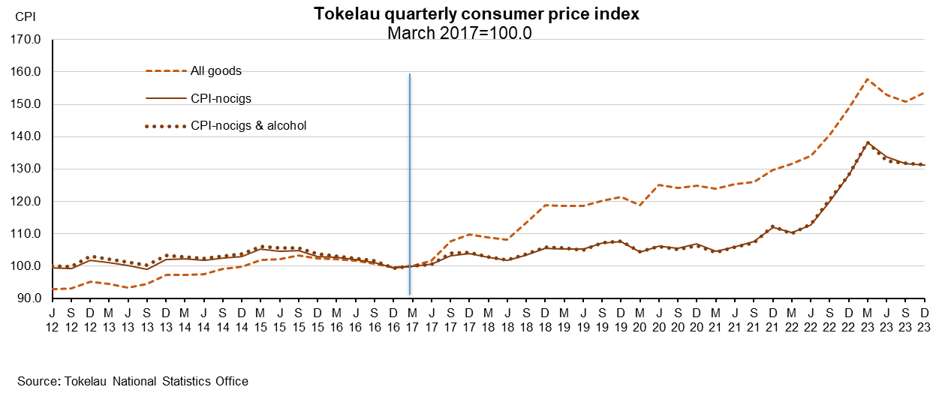
Dec18 | 118.9 | 105.6 | 105.7
Mar19 | 118.5 | 105.1 | 105.6
Jun19 | 118.5 | 105.1 | 104.8
Sep19 | 120.2 | 107.2 | 107.3
Dec19 | 121.4 | 107.5 | 107.6
Mar20 | 118.7 | 104.3 | 104.4
Jun20 | 125.1R | 106.2R | 106.1R
Sep20 | 124.2 | 105.5 | 105.0
Dec20 | 124.9 | 106.8 | 106.2
Mar21 | 123.9 | 104.4 | 104.1
Jun21 | 125.2 | 106.0 | 105.8
Sep21 | 126.0 | 107.5 | 107.1
Dec21 | 129.7 | 111.9R | 112.2
Mar22 | 131.6 | 110.2 | 110.0
Jun22 | 134.0 | 112.6 | 113.0
Sep22 | 140.5 | 119.8 | 120.7
Dec22 | 148.6 | 128.2 | 128.0
Mar-23 | 157.8 | 138.2 | 138.2
Jun-23 | 153.0 | 133.8 | 132.4
Sep-23 | 150.7 | 131.7 | 131.8
Dec-23 | 153.6 | 131.3 | 131.3

R | Revised from 126.5, 107.8, 107.9, and 111.8 respectively
Source: Tokelau National Statistics Office

